Sheet1
2014 SLW SHIRT SALES
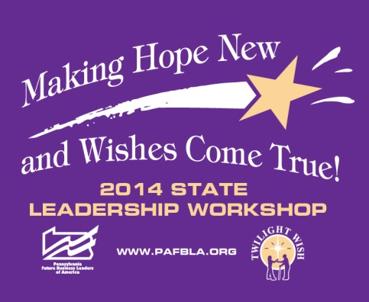
Logo printed on the full front of shirt
Chapter Order Form
School Name
School Address
City, & Zip Code
School Phone #
Adviser's Name
Adviser's Email:
Enter your shirt orders below. TOTAL SHIRTS ORDERED & TOTAL AMOUNT DUE WILL BE CALCULATED FOR YOU
 | SMALL | MEDIUM | LARGE | X-LARGE | XX-LARGE | 3X-LARGE (add $3) | 4X-LARGE (add $4) | TOTAL SHIRTS ORDERED | TOTAL AMOUNT DUE
Short Sleeve T-Shirt |  |  |  |  |  |  |  | 0 | $-
$10
Long Sleeve T-Shirt |  |  |  |  |  |  |  | 0 | $-
$15
 | TOTAL AMOUNT DUE |  |  |  |  |  |  |  | $-
ALL ORDERS MUST BE EMAILED TO:
Alyssa Ray, Vice President at Large
vpatlarge2@pafbla.us
Orders Must Be Received by Friday, October 10, 2014
Payment for Shirt Orders will be collected when shirts are picked up at the State Leadership Workshop NO SHIRTS WILL BE DISTRIBUTED WITHOUT PAYMENT IN FULL
DO NOT SEND PAYMENT - BRING TO SLW
PLEASE MAKE CHECKS PAYABLE TO: PA FBLA

